Q&A
General Information

You will find three different types of drawdown lists for shopping line cover.
1. Drawdown New Business
2. Drawdown Small Tickets (for transactions having a value of up to EUR 5 million)
3. Drawdown Reachback

- For each drawdown a separate list is necessary.
- The list will be filled in mainly by the importer who will hand it over to the bank. The bank using shopping line cover will sent the lists to Euler Hermes.
- The list will be the basis for the final approval of the Federal Government that a specific delivery can be included in the shopping line cover.

1. Drawdown New Business
- Please fill in the data of your regular business transactions which shall be included in the shopping line cover.
- For each German manufacturer one line shall be filled in to specify the goods / services.
- Please feel free to add further lines if required.
- Additionally we require a separate list mentioning the sum of all values per site.
- Transactions regarding small tickets and reachback shall not be included in this list. Please fill in separate drawdown lists.

- This information willl be given by the financing bank:
Please tick the box to confirm that you have received from the exporter the letter of undertaking and the anti-bribery declaration for this delivery.

2. Drawdown Small Tickets (for transactions having a value of up to EUR 5 million)
- Please fill in the data of the transactions with an amount of up to EUR 5 million.
- For those a specific, simplified procedure is possible.
- This small ticket procedure can be used up to four times for each exporter and for each shopping line cover facility.
- Therefore we require a separate list mentioning the sum of all values per exporter.
- Additionally we require a separate list stating the sum of all values per site.
- Please tick the box to confirm that you have signed the "Importer's Declaration" for this delivery.

3. Drawdown Reachback (only possible in connection with the first regular drawdown)
- There is the option to retroactively include transactions already undertaken before cover was granted (“reachback”) - case-by-case decision
- For those transactions a separate drawdown list has to be filled in.
- We require additional information, e.g. contract date.
- Additionally, we require a separate list stating the sum of all values per site.
- Please tick the box to confirm that you have signed the "Importer's Declaration" for this delivery.

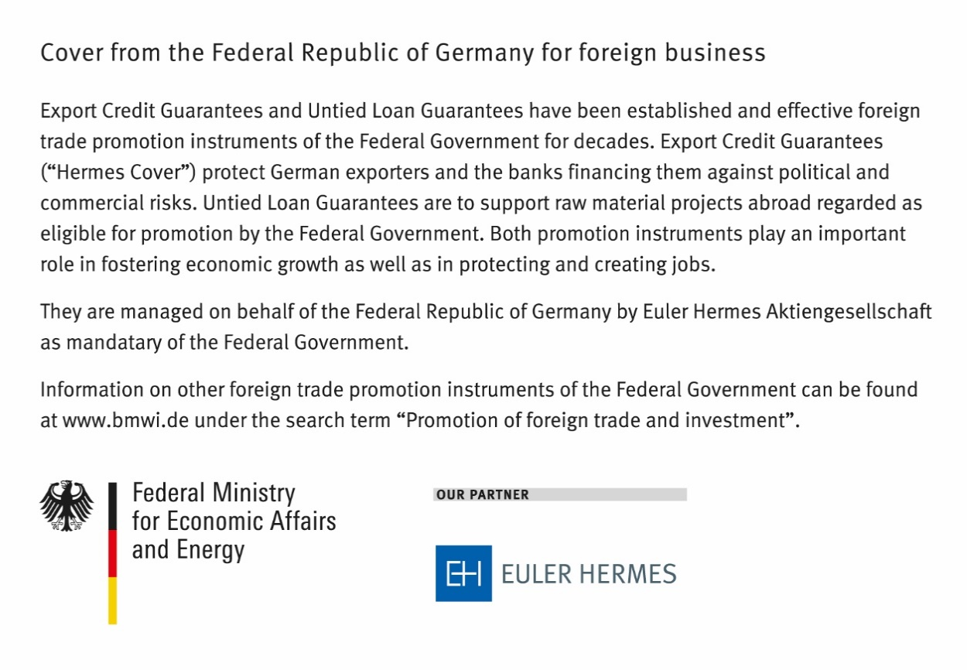

as per 21 April 2021
09 1901

